Hoja 1
CATALOGO BASICO | 2020
 |  |  | CABECERA
PROVEEDOR: | UMBRO |  | TALLAS | TOTAL
 |  |  | ORDER | 87025
 |  |  | AVG UNIT

MODELO |  |  | Precio
30585U-090

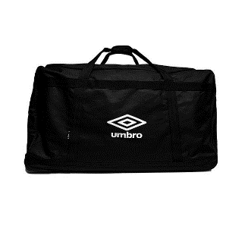
 |  | TALLAS | N/S | TOTAL
 |  | STOCKS | 459 | 459
 |  | ORDER | 459 | 459

MODELO |  |  | Precio
30509U-090

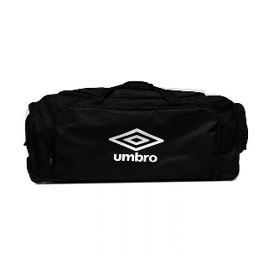
 |  | TALLAS | N/S | TOTAL
 |  | STOCKS | 332 | 332
 |  | ORDER | 332 | 332

MODELO |  |  | Precio
30472U-090

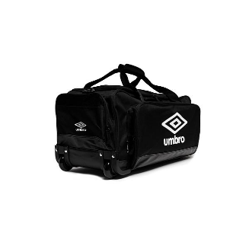
 |  | TALLAS | N/S | TOTAL
 |  | STOCKS | 425 | 425
 |  | ORDER | 425 | 425

MODELO |  |  | Precio
64927I-401

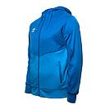
 |  | TALLAS | 4-6Y | 8Y | 12Y | 14Y | TOTAL
 |  | STOCKS | 89 | 110 | 82 | 136 | 417
 |  | ORDER | 89 | 110 | 82 | 136 | 417

MODELO |  |  | Precio
64927I-001

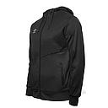
 |  | TALLAS | 4-6Y | 8Y | 12Y | 14Y | TOTAL
 |  | STOCKS | 54 | 85 | 80 | 70 | 289
 |  | ORDER | 54 | 85 | 80 | 70 | 289

MODELO |  |  | Precio
30610U-0U3

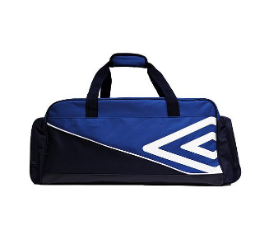
 |  | TALLAS | N/S | TOTAL
 |  | STOCKS | 347 | 347
 |  | ORDER | 347 | 347

MODELO |  |  | Precio
30610U-961

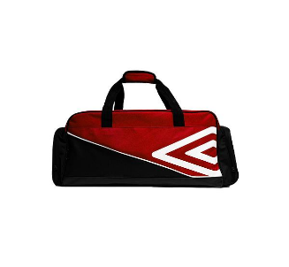
 |  | TALLAS | N/S | TOTAL
 |  | STOCKS | 348 | 348
 |  | ORDER | 348 | 348

MODELO |  |  | Precio
30610U-090

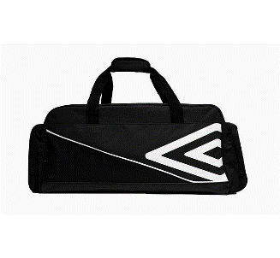
 |  | TALLAS | N/S | TOTAL
 |  | STOCKS | 493 | 493
 |  | ORDER | 493 | 493

MODELO |  |  | Precio
30611U-961

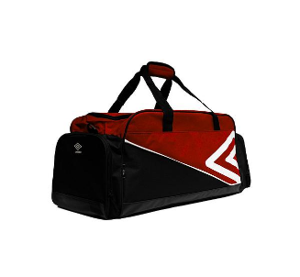
 |  | TALLAS | N/S | TOTAL
 |  | STOCKS | 332 | 332
 |  | ORDER | 332 | 332

MODELO |  |  | Precio
30611U-0U3

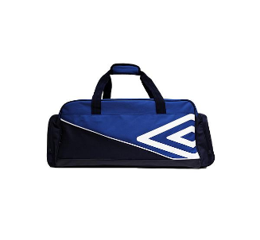
 |  | TALLAS | N/S | TOTAL
 |  | STOCKS | 316 | 316
 |  | ORDER | 316 | 316

MODELO |  |  | Precio
30611U-090

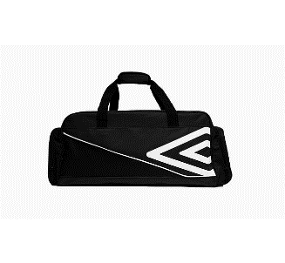
 |  | TALLAS | N/S | TOTAL
 |  | STOCKS | 469 | 469
 |  | ORDER | 469 | 469

MODELO |  |  | Precio
30612U-090

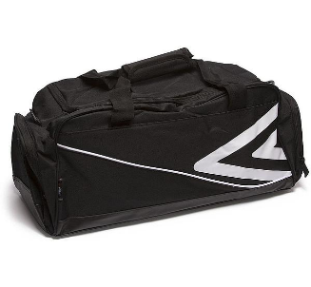
 |  | TALLAS | N/S | N/S
 |  | STOCKS | 1202 | 0
 |  | ORDER | 1202

MODELO |  |  | Precio
64831I-110 CORE

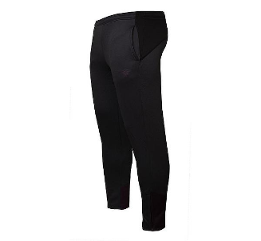
 |  | TALLAS | S | M | XL | 2XL | TOTAL
 |  | STOCKS | 1 | 0 | 10 | -1 | 10
 |  | ORDER | 1 | 0 | 10 | -1 | 10

MODELO |  |  | Precio
64831I-451 CORE

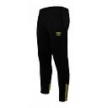
 |  | TALLAS | S | M | XL | 2XL | TOTAL
 |  | STOCKS | 62 | 58 | -3 | 3 | 120
 |  | ORDER | 62 | 58 | -3 | 3 | 120

MODELO |  |  | Precio
64931I-110

 |  | TALLAS | 4-6Y | 8Y | 12Y | 14Y | TOTAL
 |  | STOCKS | 57 | 108 | 98 | 73 | 336
 |  | ORDER | 57 | 108 | 98 | 73 | 336

MODELO |  |  | Precio
64931I-451

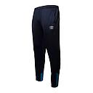
 |  | TALLAS | 4-6Y | 8Y | 12Y | 14Y | TOTAL
 |  | STOCKS | 41 | 168 | 133 | 65 | 407
 |  | ORDER | 41 | 168 | 133 | 65 | 407

MODELO |  |  | Precio
64931I-001

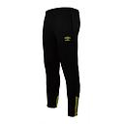
 |  | TALLAS | 4-6Y | 8Y | 12Y | 14Y | TOTAL
 |  | STOCKS | 34 | 97 | 101 | 75 | 307
 |  | ORDER | 34 | 97 | 101 | 75 | 307

MODELO |  |  | Precio
64926I-110

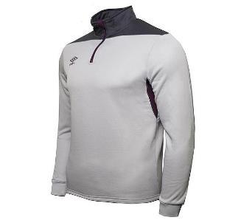
 |  | TALLAS | 4-6Y | 8Y | 12Y | 14Y | TOTAL
 |  | STOCKS | 82 | 101 | 93 | 89 | 365
 |  | ORDER | 82 | 101 | 93 | 89 | 365

MODELO |  |  | Precio
64926I-401

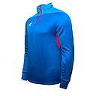
 |  | TALLAS | 4-6Y | 8Y | 12Y | 14Y | TOTAL
 |  | STOCKS | 77 | 80 | 65 | 82 | 304
 |  | ORDER | 77 | 80 | 65 | 82 | 304

MODELO |  |  | Precio
64926I-001

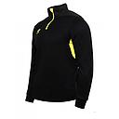
 |  | TALLAS | 4-6Y | 8Y | 12Y | 14Y | TOTAL
 |  | STOCKS | 79 | 88 | 97 | 92 | 356
 |  | ORDER | 79 | 88 | 97 | 92 | 356

MODELO |  |  | Precio
62536U-060

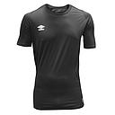
 |  | TALLAS | S | M | XL | 2XL | 3XL
 |  | STOCKS | 2 | 32 | 24 | 7 | 5
 |  | ORDER | 2 | 32 | 24 | 7 | 5

MODELO |  |  | Precio
62536U-030

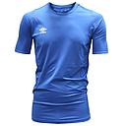
 |  | TALLAS | S | M | XL | 2XL | 3XL
 |  | STOCKS | 33 | 67 | 53 | 23 | 9
 |  | ORDER | 33 | 67 | 53 | 23 | 9

MODELO |  |  | Precio
22003I-330

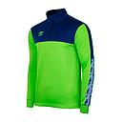
 |  | TALLAS | 4-6Y | 8Y | 12Y | 14Y | S | L | XL | 2XL-3XL | TOTAL
 |  | STOCKS | 385 | 484 | 483 | 375 | 434 | 611 | 266 | 143 | 3181
 |  | ORDER | 385 | 484 | 483 | 375 | 434 | 611 | 266 | 143 | 3181

MODELO |  |  | Precio
22007I-330

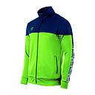
 |  | TALLAS | 4-6Y | 8Y | 12Y | 14Y | S | L | XL | 2XL-3XL | TOTAL
 |  | STOCKS | 401 | 497 | 488 | 410 | 429 | 684 | 291 | 133 | 3333
 |  | ORDER | 401 | 497 | 488 | 410 | 429 | 684 | 291 | 133 | 3333

MODELO |  |  | Precio
64708U-4A6

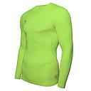
 |  | TALLAS | 8Y | 10Y | 14Y | TOTAL
 |  | STOCKS | 78 | 115 | 108 | 301
 |  | ORDER | 78 | 115 | 108 | 301

MODELO |  |  | Precio
64708U-1F2

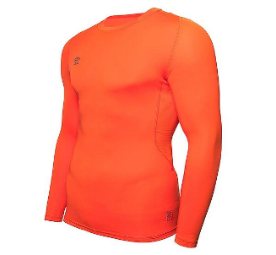
 |  | TALLAS | 8Y | 10Y | 14Y | TOTAL
 |  | STOCKS | 79 | 120 | 112 | 311
 |  | ORDER | 79 | 120 | 112 | 311

MODELO |  |  | Precio
64708U-HFY

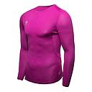
 |  | TALLAS | 8Y | 10Y | 14Y | TOTAL
 |  | STOCKS | 76 | 118 | 113 | 307
 |  | ORDER | 76 | 118 | 113 | 307

MODELO |  |  | Precio
64708U-HFX

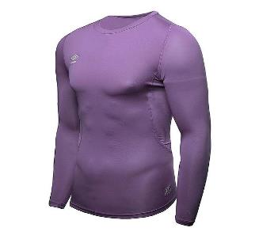
 |  | TALLAS | 8Y | 10Y | 14Y | TOTAL
 |  | STOCKS | 147 | 228 | 227 | 602
 |  | ORDER | 147 | 228 | 227 | 602

MODELO |  |  | Precio
64708U-ERA

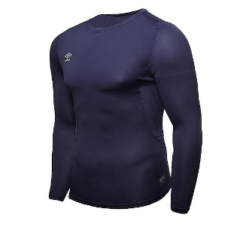
 |  | TALLAS | 8Y | 10Y | 14Y | TOTAL
 |  | STOCKS | 78 | 115 | 116 | 309
 |  | ORDER | 78 | 115 | 116 | 309

MODELO |  |  | Precio
64708U-EH2

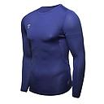
 |  | TALLAS | 8Y | 10Y | 14Y | TOTAL
 |  | STOCKS | 75 | 108 | 108 | 291
 |  | ORDER | 75 | 108 | 108 | 291

MODELO |  |  | Precio
64702U-BCC

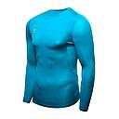
 |  | TALLAS | S | M | XL | 2XL
 |  | STOCKS | 99 | 149 | 98 | 48
 |  | ORDER | 99 | 149 | 98 | 48

MODELO |  |  | Precio
64708U-BCC

 |  | TALLAS | 8Y | 10Y | 14Y | TOTAL
 |  | STOCKS | 125 | 124 | 124 | 373
 |  | ORDER | 125 | 124 | 124 | 373

MODELO |  |  | Precio
64702U-CBR

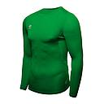
 |  | TALLAS | S | M | XL | 2XL
 |  | STOCKS | 50 | 67 | 83 | 48
 |  | ORDER | 50 | 67 | 83 | 48

MODELO |  |  | Precio
64708U-CBR

 |  | TALLAS | 8Y | 10Y | 14Y | TOTAL
 |  | STOCKS | 125 | 118 | 120 | 363
 |  | ORDER | 125 | 118 | 120 | 363

MODELO |  |  | Precio
64702U-038

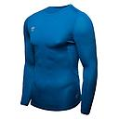
 |  | TALLAS | S | M | XL | 2XL | TOTAL
 |  | STOCKS | 91 | 102 | 81 | 49 | 323
 |  | ORDER | 91 | 102 | 81 | 49 | 323

MODELO |  |  | Precio
64708U-038

 |  | TALLAS | 8Y | 10Y | 14Y | TOTAL
 |  | STOCKS | 124 | 124 | 125 | 373
 |  | ORDER | 124 | 124 | 125 | 373

MODELO |  |  | Precio
64710U-CSU

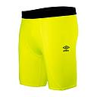
 |  | TALLAS | 8Y | 10Y | 14Y | TOTAL
 |  | STOCKS | 59 | 121 | 120 | 300
 |  | ORDER | 59 | 121 | 120 | 300

MODELO |  |  | Precio
64710U-7RA

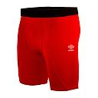
 |  | TALLAS | 8Y | 10Y | 14Y | TOTAL
 |  | STOCKS | 185 | 244 | 240 | 669
 |  | ORDER | 185 | 244 | 240 | 669

MODELO |  |  | Precio
64710U-ERA

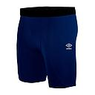
 |  | TALLAS | 8Y | 10Y | 14Y | TOTAL
 |  | STOCKS | 59 | 121 | 120 | 300
 |  | ORDER | 59 | 121 | 120 | 300

MODELO |  |  | Precio
64710U-EH2

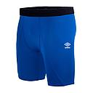
 |  | TALLAS | 8Y | 10Y | 14Y | TOTAL
 |  | STOCKS | 58 | 119 | 120 | 297
 |  | ORDER | 58 | 119 | 120 | 297

MODELO |  |  | Precio
64710U-002

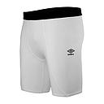
 |  | TALLAS | 8Y | 10Y | 14Y | TOTAL
 |  | STOCKS | 58 | 116 | 115 | 289
 |  | ORDER | 58 | 116 | 115 | 289

MODELO |  |  | Precio
64710U-060

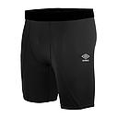
 |  | TALLAS | 8Y | 10Y | 14Y | TOTAL
 |  | STOCKS | 186 | 245 | 242 | 673
 |  | ORDER | 186 | 245 | 242 | 673

MODELO |  |  | Precio
64704U-CSU

 |  | TALLAS | S | M | XL | 2XL | TOTAL
 |  | STOCKS | 79 | 96 | 118 | 60 | 353
 |  | ORDER | 79 | 96 | 118 | 60 | 353

MODELO |  |  | Precio
64704U-7RA

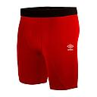
 |  | TALLAS | S | M | XL | 2XL | TOTAL
 |  | STOCKS | 162 | 247 | 206 | 105 | 720
 |  | ORDER | 162 | 247 | 206 | 105 | 720

MODELO |  |  | Precio
64704U-ERA

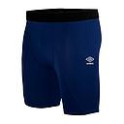
 |  | TALLAS | S | M | XL | 2XL | TOTAL
 |  | STOCKS | 64 | 84 | 110 | 57 | 315
 |  | ORDER | 64 | 84 | 110 | 57 | 315

MODELO |  |  | Precio
64704U-EH2

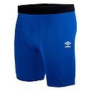
 |  | TALLAS | S | M | XL | 2XL | TOTAL
 |  | STOCKS | 68 | 90 | 104 | 58 | 320
 |  | ORDER | 68 | 90 | 104 | 58 | 320

MODELO |  |  | Precio
64704U-002

 |  | TALLAS | S | M | XL | 2XL | TOTAL
 |  | STOCKS | 58 | 67 | 101 | 59 | 285
 |  | ORDER | 58 | 67 | 101 | 59 | 285

MODELO |  |  | Precio
64704U-060

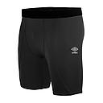
 |  | TALLAS | S | M | XL | 2XL | TOTAL
 |  | STOCKS | 146 | 154 | 185 | 87 | 572
 |  | ORDER | 146 | 154 | 185 | 87 | 572

MODELO |  |  | Precio
64704U-OLH

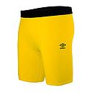
 |  | TALLAS | S | M | XL | 2XL-3XL | TOTAL
 |  | STOCKS | 50 | 97 | 99 | 47 | 293
 |  | ORDER | 50 | 97 | 99 | 47 | 293

MODELO |  |  | Precio
64704U-CBR

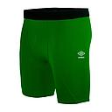
 |  | TALLAS | S | M | XL | 2XL-3XL | TOTAL
 |  | STOCKS | 72 | 114 | 95 | 45 | 326
 |  | ORDER | 72 | 114 | 95 | 45 | 326

MODELO |  |  | Precio
64704U-038

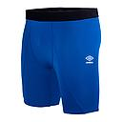
 |  | TALLAS | S | M | XL | 2XL-3XL | TOTAL
 |  | STOCKS | 97 | 149 | 99 | 48 | 393
 |  | ORDER | 97 | 149 | 99 | 48 | 393

MODELO |  |  | Precio
64704U-AGH

 |  | TALLAS | S | M | XL | 2XL-3XL | TOTAL
 |  | STOCKS | 100 | 125 | 100 | 48 | 373
 |  | ORDER | 100 | 125 | 100 | 48 | 373

MODELO |  |  | Precio
64710U-0LH

 |  | TALLAS | 4-6Y | 8-10Y | 14Y | TOTAL
 |  | STOCKS | 127 | 124 | 125 | 376
 |  | ORDER | 127 | 124 | 125 | 376

MODELO |  |  | Precio
64710U-CBR

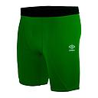
 |  | TALLAS | 4-6Y | 8-10Y | 14Y | TOTAL
 |  | STOCKS | 125 | 125 | 124 | 374
 |  | ORDER | 125 | 125 | 124 | 374

MODELO |  |  | Precio
64710U-038

 |  | TALLAS | 4-6Y | 8-10Y | 14Y | TOTAL
 |  | STOCKS | 127 | 125 | 125 | 377
 |  | ORDER | 127 | 125 | 125 | 377

MODELO |  |  | Precio
64710U-AGH

 |  | TALLAS | 4-6Y | 8-10Y | 14Y | TOTAL
 |  | STOCKS | 125 | 126 | 125 | 376
 |  | ORDER | 125 | 126 | 125 | 376

MODELO |  |  | Precio
96387I-600

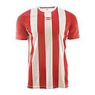
 |  | TALLAS | 4-6Y | 8-10Y | 14Y | TOTAL
 |  | STOCKS | 385 | 388 | 409 | 1182
 |  | ORDER | 385 | 388 | 409 | 1182

MODELO |  |  | Precio
96387I-401

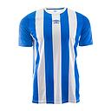
 |  | TALLAS | 4-6Y | 8-10Y | 14Y | TOTAL
 |  | STOCKS | 451 | 438 | 426 | 1315
 |  | ORDER | 451 | 438 | 426 | 1315

MODELO |  |  | Precio
96387I-300

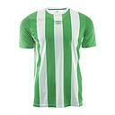
 |  | TALLAS | 4-6Y | 8-10Y | 14Y | TOTAL
 |  | STOCKS | 403 | 371 | 374 | 1148
 |  | ORDER | 403 | 371 | 374 | 1148

MODELO |  |  | Precio
96287I-600

 |  | TALLAS | S | M | XL | 2XL | TOTAL
 |  | STOCKS | 367 | 658 | 217 | 230 | 1472
 |  | ORDER | 367 | 658 | 217 | 230 | 1472

MODELO |  |  | Precio
96287I-401

 |  | TALLAS | S | M | XL | 2XL-3XL | TOTAL
 |  | STOCKS | 403 | 716 | 213 | 228 | 1560
 |  | ORDER | 403 | 716 | 213 | 228 | 1560

MODELO |  |  | Precio
96287I-300

 |  | TALLAS | S | M | XL | 2XL-3XL | TOTAL
 |  | STOCKS | 248 | 526 | 107 | 194 | 1075
 |  | ORDER | 248 | 526 | 107 | 194 | 1075

MODELO |  |  | Precio
64823I-110 Core

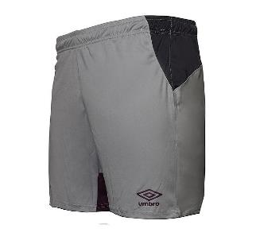
 |  | TALLAS | S | M | XL | 2XL | TOTAL
 |  | STOCKS | 90 | 118 | 39 | 0 | 247
 |  | ORDER | 90 | 118 | 39 | 0 | 247

MODELO |  |  | Precio
64823I-401 CORE

 |  | TALLAS | S | M | XL | 2XL | TOTAL
 |  | STOCKS | 98 | 98 | 13 | 13 | 222
 |  | ORDER | 98 | 98 | 13 | 13 | 222

MODELO |  |  | Precio
64823I-001 CORE

 |  | TALLAS | S | M | XL | 2XL | TOTAL
 |  | STOCKS | 106 | 118 | 56 | 24 | 304
 |  | ORDER | 106 | 118 | 56 | 24 | 304

MODELO |  |  | Precio
64923I-110

 |  | TALLAS | 4-6Y | 8Y | 14Y | TOTAL
 |  | STOCKS | 65 | 101 | 68 | 234
 |  | ORDER | 65 | 101 | 68 | 234

MODELO |  |  | Precio
64923I-401

 |  | TALLAS | 4-6Y | 8Y | 14Y | TOTAL
 |  | STOCKS | 62 | 69 | 63 | 194
 |  | ORDER | 62 | 69 | 63 | 194

MODELO |  |  | Precio
64923I-001

 |  | TALLAS | 4-6Y | 8Y | 14Y | TOTAL
 |  | STOCKS | 69 | 104 | 79 | 252
 |  | ORDER | 69 | 104 | 79 | 252

MODELO |  |  | Precio
64921I-110

 |  | TALLAS | 4-6Y | 8-10Y | 14Y | TOTAL
 |  | STOCKS | 29 | 88 | 56 | 173
 |  | ORDER | 29 | 88 | 56 | 173

MODELO |  |  | Precio
64921I-401

 |  | TALLAS | 4-6Y | 8-10Y | 14Y | TOTAL
 |  | STOCKS | 49 | 46 | 54 | 149
 |  | ORDER | 49 | 46 | 54 | 149

MODELO |  |  | Precio
64921I-001

 |  | TALLAS | 4-6Y | 8-10Y | 14Y | TOTAL
 |  | STOCKS | 24 | 53 | 26 | 103
 |  | ORDER | 24 | 53 | 26 | 103

MODELO |  |  | Precio
99386I-801

 |  | TALLAS | 4-6Y | 8-10Y | 14Y | TOTAL
 |  | STOCKS | 555 | 524 | 507 | 1586
 |  | ORDER | 555 | 524 | 507 | 1586

MODELO |  |  | Precio
99386I-700

 |  | TALLAS | 4-6Y | 8-10Y | 14Y | TOTAL
 |  | STOCKS | 251 | 361 | 361 | 973
 |  | ORDER | 251 | 361 | 361 | 973

MODELO |  |  | Precio
99386I-451

 |  | TALLAS | 4-6Y | 8-10Y | 14Y | TOTAL
 |  | STOCKS | 481 | 429 | 496 | 1406
 |  | ORDER | 481 | 429 | 496 | 1406

MODELO |  |  | Precio
99386I-310

 |  | TALLAS | 4-6Y | 8-10Y | 14Y | TOTAL
 |  | STOCKS | 304 | 205 | 396 | 905
 |  | ORDER | 304 | 205 | 396 | 905

MODELO |  |  | Precio
97386I-801

 |  | TALLAS | S | M | XL | 2XL-3XL | TOTAL
 |  | STOCKS | 690 | 944 | 412 | 284 | 2330
 |  | ORDER | 690 | 944 | 412 | 284 | 2330

MODELO |  |  | Precio
97386I-700

 |  | TALLAS | S | M | XL | 2XL-3XL | TOTAL
 |  | STOCKS | 381 | 357 | 141 | 204 | 1083
 |  | ORDER | 381 | 357 | 141 | 204 | 1083

MODELO |  |  | Precio
97386I-451

 |  | TALLAS | S | M | XL | 2XL-3XL | TOTAL
 |  | STOCKS | 642 | 677 | 334 | 198 | 1851
 |  | ORDER | 642 | 677 | 334 | 198 | 1851

MODELO |  |  | Precio
97386I-310

 |  | TALLAS | S | M | XL | 2XL-3XL | TOTAL
 |  | STOCKS | 415 | 597 | 323 | 296 | 1631
 |  | ORDER | 415 | 597 | 323 | 296 | 1631

MODELO |  |  | Precio
99086I-800

 |  | TALLAS | 4-6Y | 8-10Y | 14Y | TOTAL
 |  | STOCKS | 508 | 594 | 502 | 1604
 |  | ORDER | 508 | 594 | 502 | 1604

MODELO |  |  | Precio
99086I-550

 |  | TALLAS | 4-6Y | 8-10Y | 14Y | TOTAL
 |  | STOCKS | 243 | 212 | 221 | 676
 |  | ORDER | 243 | 212 | 221 | 676

MODELO |  |  | Precio
97086I-800

 |  | TALLAS | S | M | XL | 2XL-3XL | TOTAL
 |  | STOCKS | 525 | 450 | 28 | 38 | 1041
 |  | ORDER | 525 | 450 | 28 | 38 | 1041

MODELO |  |  | Precio
97086I-550

 |  | TALLAS | S | M | XL | 2XL-3XL | TOTAL
 |  | STOCKS | 3 | 0 | 52 | 90 | 145
 |  | ORDER | 3 | 0 | 52 | 90 | 145

MODELO |  |  | Precio
99186I-800

 |  | TALLAS | 4-6Y | 8-10Y | 14Y | TOTAL
 |  | STOCKS | 708 | 645 | 735 | 2088
 |  | ORDER | 708 | 645 | 735 | 2088

MODELO |  |  | Precio
99186I-550

 |  | TALLAS | 4-6Y | 8-10Y | 14Y | TOTAL
 |  | STOCKS | 321 | 326 | 319 | 966
 |  | ORDER | 321 | 326 | 319 | 966

MODELO |  |  | Precio
99186I-420

 |  | TALLAS | 4-6Y | 8-10Y | 14Y | TOTAL
 |  | STOCKS | 337 | 450 | 440 | 1227
 |  | ORDER | 337 | 450 | 440 | 1227

MODELO |  |  | Precio
97186I-800

 |  | TALLAS | S | M | XL | 2XL-3XL | TOTAL
 |  | STOCKS | 479 | 672 | 326 | 202 | 1679
 |  | ORDER | 479 | 672 | 326 | 202 | 1679

MODELO |  |  | Precio
97186I-550

 |  | TALLAS | S | M | XL | 2XL-3XL | TOTAL
 |  | STOCKS | 498 | 413 | 189 | 141 | 1241
 |  | ORDER | 498 | 413 | 189 | 141 | 1241

MODELO |  |  | Precio
97186I-420

 |  | TALLAS | S | M | XL | 2XL-3XL | TOTAL
 |  | STOCKS | 442 | 356 | 415 | 352 | 1565
 |  | ORDER | 442 | 356 | 415 | 352 | 1565

MODELO |  |  | Precio
99286I-800

 |  | TALLAS | 26-29 | 30-32 | TOTAL
 |  | STOCKS | 295 | 384 | 679
 |  | ORDER | 295 | 384 | 679

MODELO |  |  | Precio
99286I-550

 |  | TALLAS | 26-29 | 30-32 | TOTAL
 |  | STOCKS | 0 | 598 | 598
 |  | ORDER | 0 | 598 | 598

MODELO |  |  | Precio
99286I-420

 |  | TALLAS | 26-29 | 30-32 | TOTAL
 |  | STOCKS | 372 | 450 | 822
 |  | ORDER | 372 | 450 | 822

MODELO |  |  | Precio
97286I-800

 |  | TALLAS | 37 - 41 | 42-46
 |  | STOCKS | 396 | 814
 |  | ORDER | 396 | 814

MODELO |  |  | Precio
97286I-550

 |  | TALLAS | 37 - 41 | 42-46
 |  | STOCKS | 184 | 270
 |  | ORDER | 184 | 270

MODELO |  |  | Precio
97286I-420

 |  | TALLAS | 37 - 41 | 42-46
 |  | STOCKS | 555 | 646
 |  | ORDER | 555 | 646

